Dashboard UI
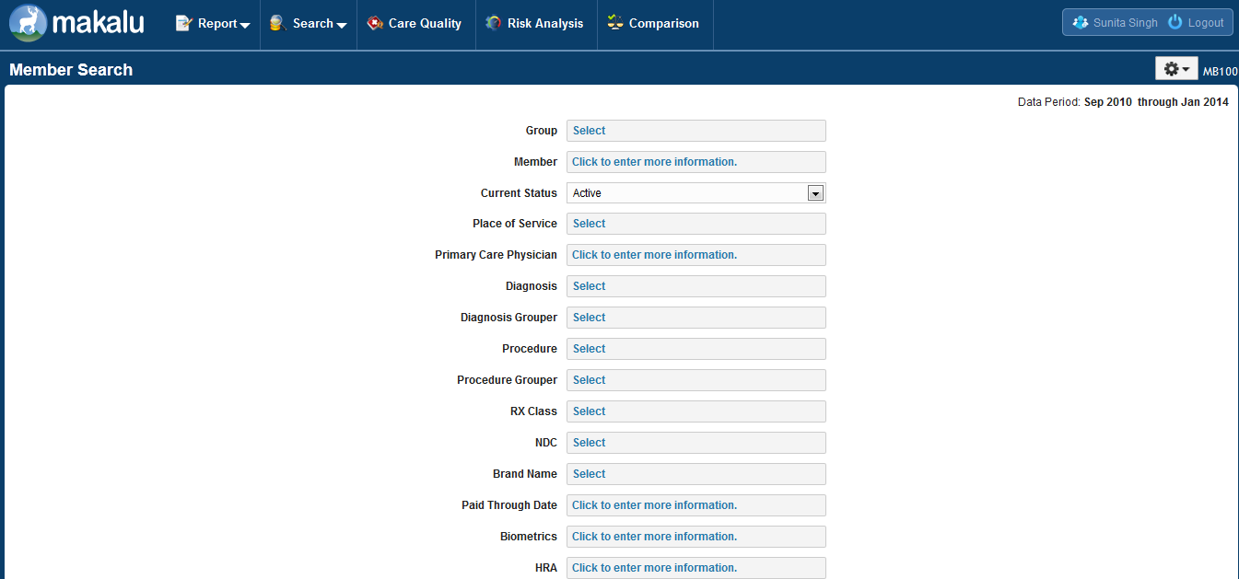
Section | Subsection | Item | Item Type | Expected | Test Result | Related Defects | Remarks
 |  |  |  |  | MM/DD/YYYY
Title | Icon | Page Icon | Icon |  | Not Tested
 | Title | Page Title | Text | Makalu - Dashboard | Not Tested
Header |  | Logo | Image Link |  | Not Tested
 |  | <User> | Text/Icon |  | Not Tested
 |  | Settings | Icon |  | Not Tested
Main | Top Menu bar | Dynamic Report | Image Link |  | Not Tested
 |  | Data Search | Image Link |  | Not Tested
 |  | Quality Of Care | Image Link |  | Not Tested
 |  | Custom Report | Image Link |  | Not Tested
 | Graph | Population Risk | Graph | 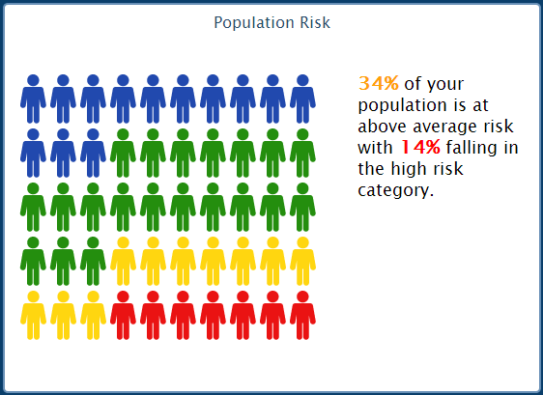 | Not Tested
 |  | Chronic Condition Utilization | Graph | 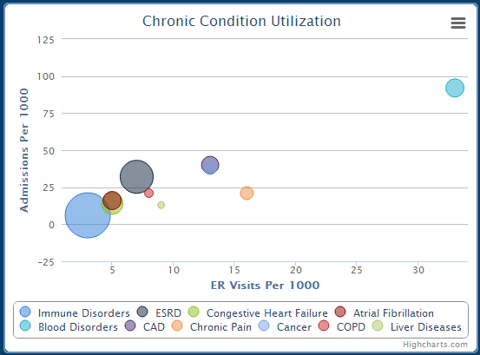 | Not Tested
 |  | Paid Amount PMPM by Relationship |  | 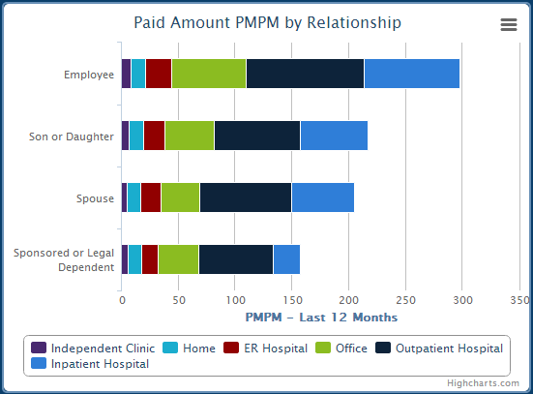 | Not Tested
 |  | Distribution of HealthCare Expenses |  | 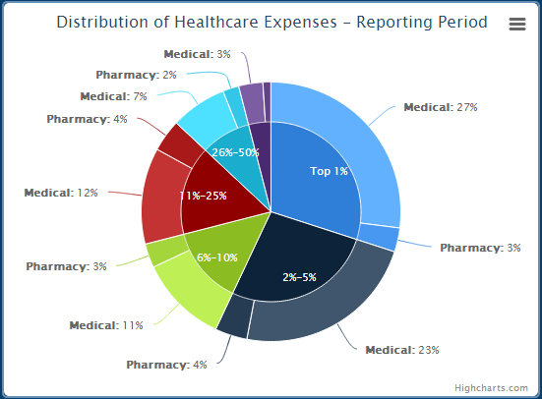 | Not Tested
User Settings Page | Header | Title | Text | User Settings | Not Tested
 | Main | Fields | Text Field | Text Fields should be present for entering: a. Old Password b. New Password c. Re-type New Password | Not Tested
 |  | Change Password | Button |  | Not Tested
 |  | Reset Preferences | Button |  | Not Tested
Footer |  | Footer Title | Text |  | Not Tested

Dashboard Sorting

Population Risk Chart

Chronic Condition Utilization Chart

Tool tip for Chronic Condition Utilization

Paid Amount PMPM by Relationship Chart

Distribution of HealthCare Expenses Chart

Tool Tips for Distribution of HealthCare Expenses
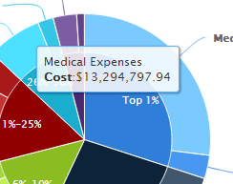

PMPM Trending – Incurred Basis Chart

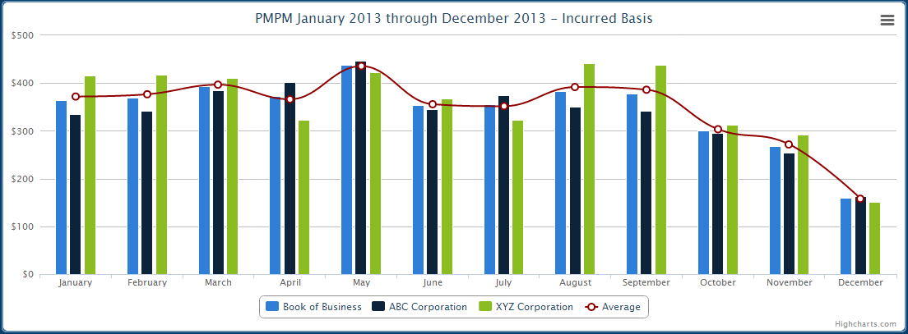

Tool Tip Mock Up for PMPM Trending chart

Group
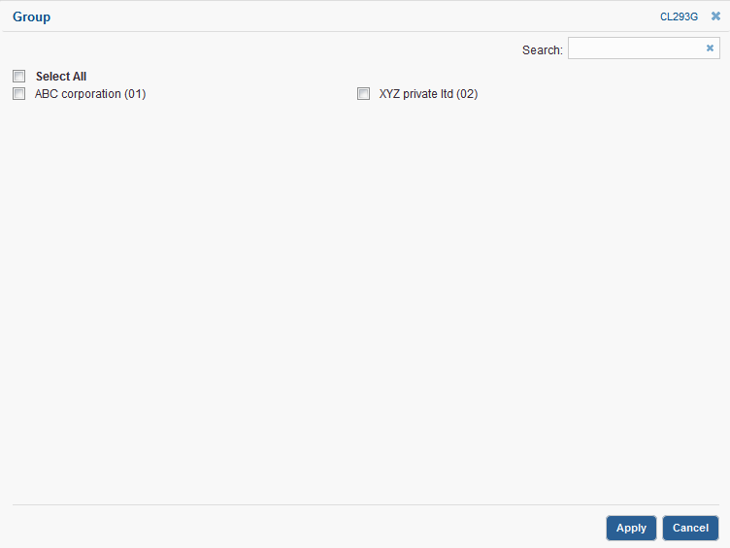

Care Analytics
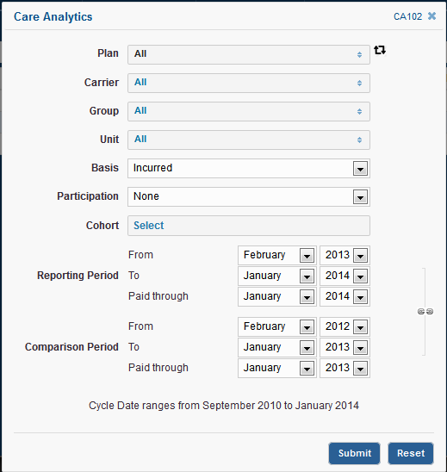

Care Quality
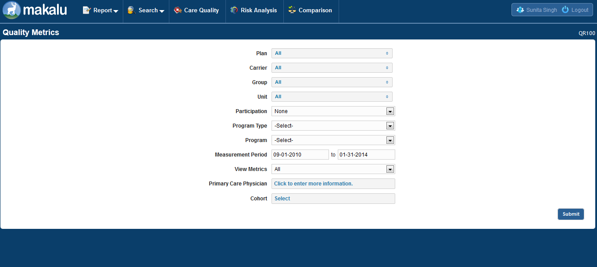

Data Search
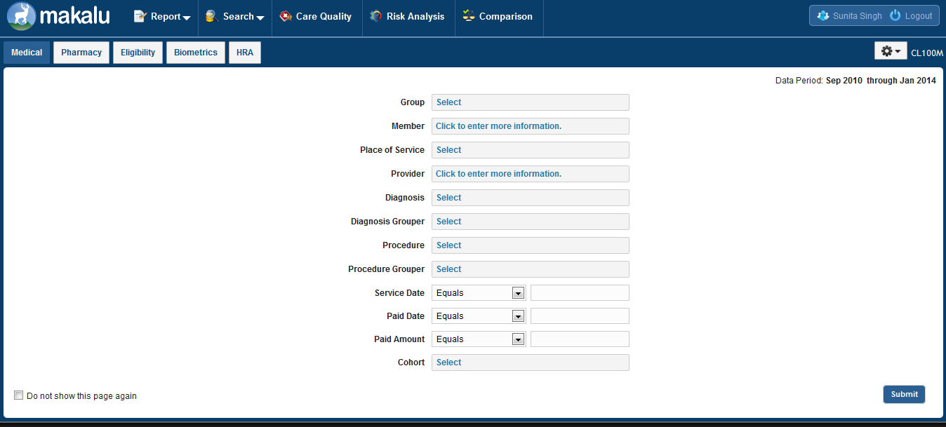

Member Search

